Sheet1
 | Design | Actual
Aniket Patil
Desktop 1
Desktop 2 |  | LOGO: Font are Different and must be in upper case letters only
Desktop 3 | 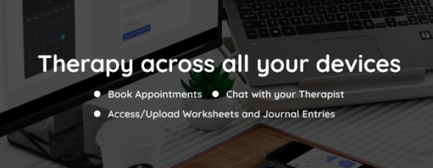 |  Aligenment are changed and bullets size is also changed
Desktop 4 |  | 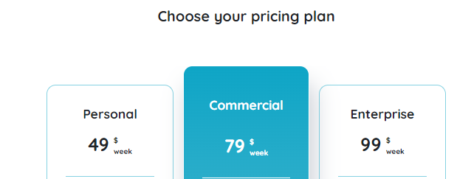 the gap between" choose you pricing plan " element and table element is not matching
Desktop 5 | 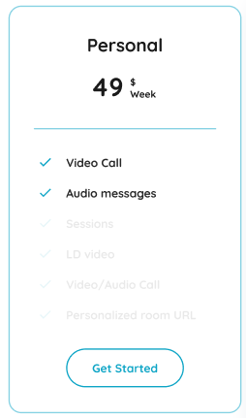 | 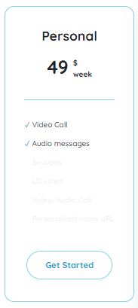 font of " Video call & Audio messages " are not matching
Desktop 6 |  | the bullets of element " Sessions, LD Video , Video & Personalized room URL " are not present
Desktop 7 |  | 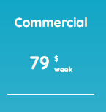 wrong amount / pricing
Desktop 8 | 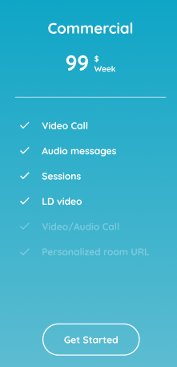 | 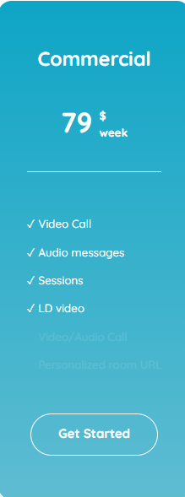 the bullets of element "Video & Personalized room URL " are not present
Desktop 9 | 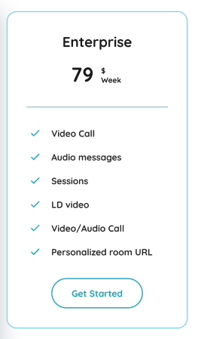 | 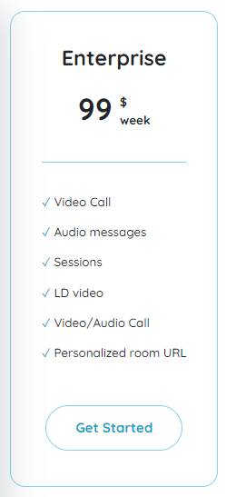 font are not matching
Desktop 10 |  | wrong amount / pricing
Desktop 11 | 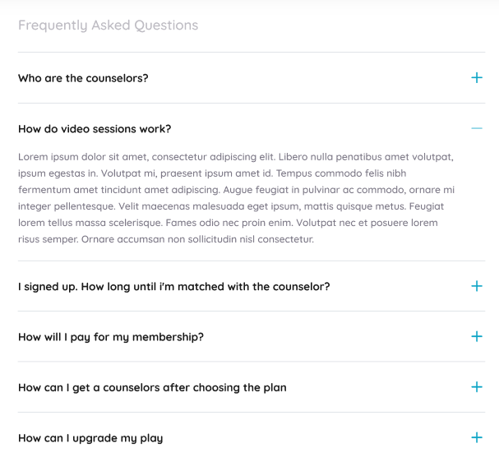 |  icons are different
Desktop 12 |  | Question: How are the counselors verified? Are missing
Desktop 13 |  | icons size is not matched
Desktop 14 |  | Alignment is wrong
Desktop 15 |  |  Wrong Content
Desktop 16 | 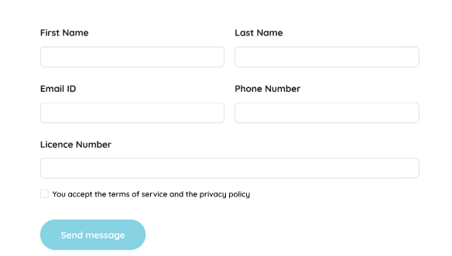 | 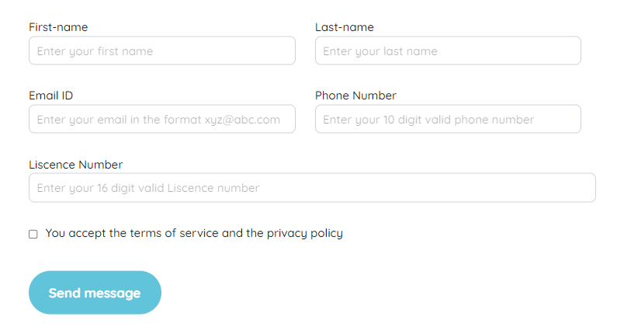 Wrong Fonts
Desktop 17 |  | Licence number field typing box is not in proper way
Desktop 18 |  | All field Placeholder is missing
Desktop 19 | 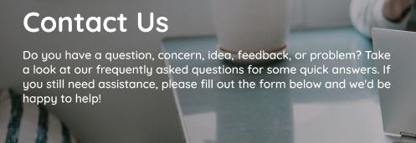 | Wrong Fonts
Desktop 20 | 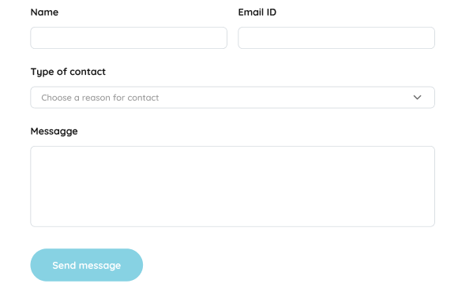 | 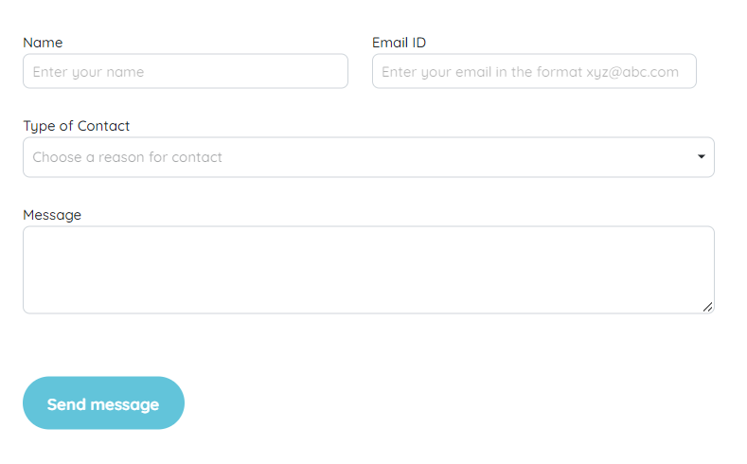 Wrong Font - it should be bold
Desktop 21 | 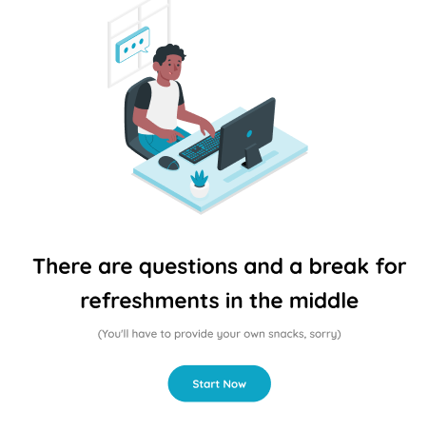 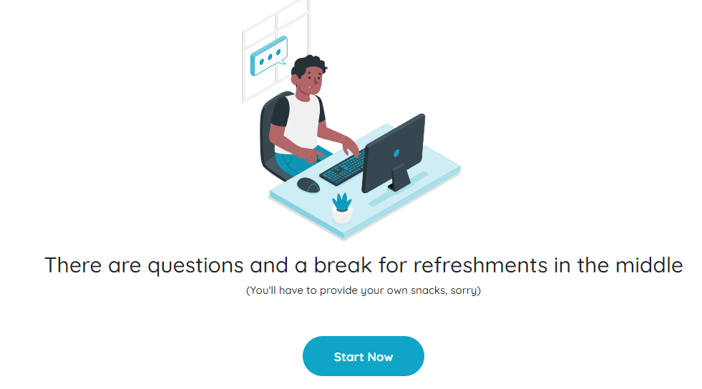 | Alignment and Font are wrong
Android 22 |  |  Gap Between get started button and headline is not matching
Android 23 | 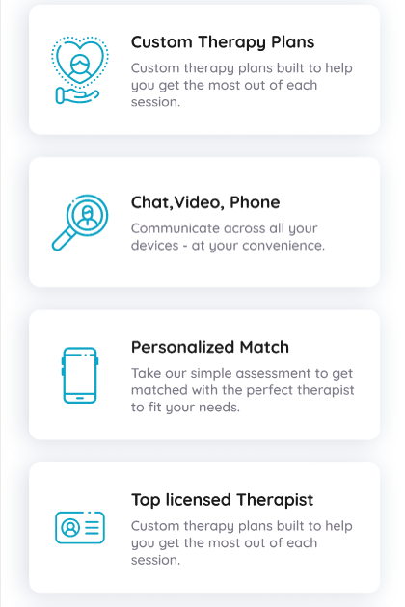 | 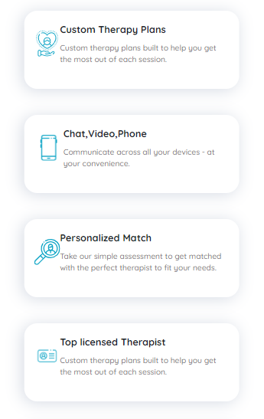 no any space between icons & content
Android 24 | 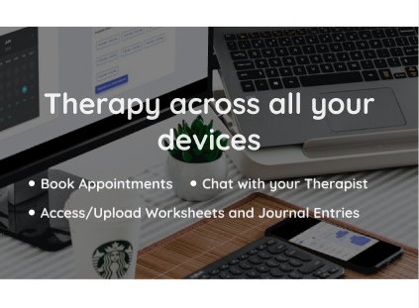 |  not in proper alignment and background image is not showing properly
Android 25 | 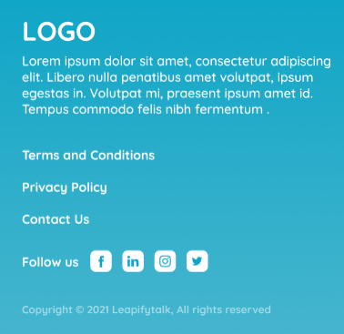 | 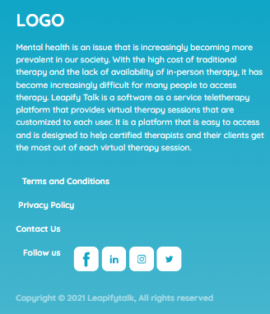 Alignment is wrong - terms and condition , privacy policy, contact us
Android 26 | 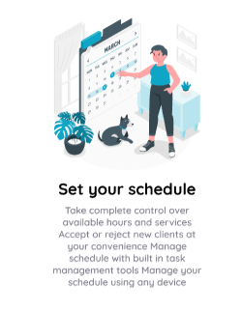 | 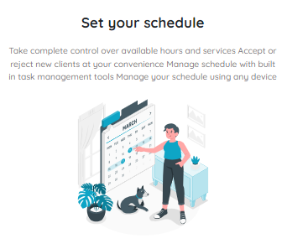 Wrong Placement of content
Android 27 | 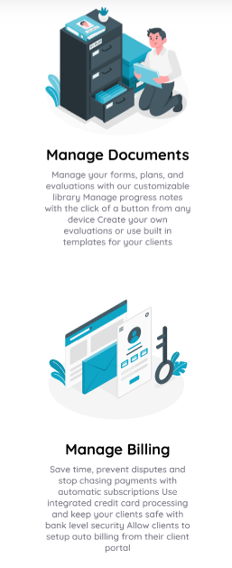 | 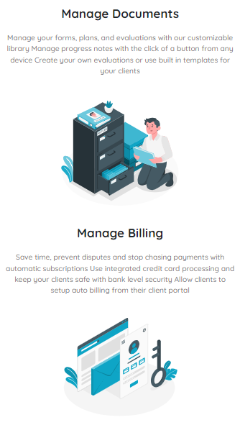 Wrong Placement of content
Android 28 |  | Right Corner 3 lines are not showing
Android 29 |  | 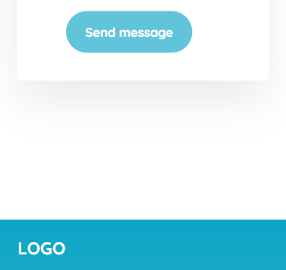 to much gap
Android 30 | 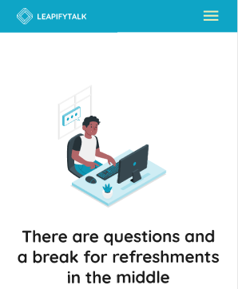 | 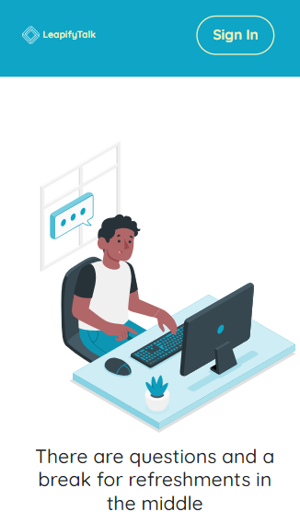 Right Corner 3 lines are not showing
Android 31 |  | Wrong Font - it should be bold
Android 32 | 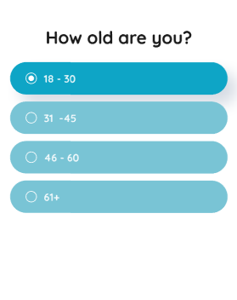 | 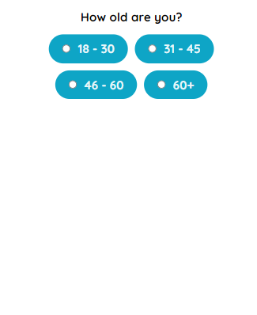 Wrong Alignment

